Viking's Project
Total EV Project Viking 's in Week 28

 | 1 | 2 | 3 | 4 | 5 | 6 | 7 | 8 | 9 | 10 | 11 | 12 | 13 | 14 | 15 | 16 | 17 | 18 | 19 | 20 | 21 | 22 | 23 | 24 | 25 | 26 | 27 | 28 | 29 | 30 | 31 | 32 | 33 | 34 | 35 | 36 | 37 | 38 | 39 | 40 | 41 | 42 | 43 | 44 | 45 | 46 | 47 | 48
BCWS | 364.00 | 596.00 | 931.10 | 1248.00 | 1564.00 | 1816.00 | 2036.00 | 2256.00 | 2450.67 | 2812.00 | 3162.47 | 3473.08 | 3634.81 | 3953.64 | 4176.36 | 4356.36 | 4536.36 | 4796.36 | 5096.36 | 5396.36 | 5648.36 | 6017.69 | 6307.03 | 6492.36 | 6667.27 | 6851.95 | 6983.27 | 7443.27 | 7881.61 | 8081.61 | 8368.20 | 8828.20 | 9024.20 | 9044.20 | 9064.20 | 10328.20 | 10376.20 | 10512.20 | 10712.20 | 10912.20 | 11112.20 | 11312.20 | 11512.20 | 11712.20 | 11920.20 | 11928.20 | 11928.20 | 11928.20
BCWP | 311.98 | 596.00 | 775.55 | 1001.78 | 1249.33 | 1489.61 | 1650.09 | 2214.41 | 2336.07 | 2484.92 | 2713.03 | 2952.42 | 3108.09 | 3455.34 | 3727.59 | 3945.79 | 4125.75 | 4305.75 | 4487.69 | 4661.72 | 4971.15 | 5263.91 | 5541.63 | 5877.93 | 6259.24 | 6479.24 | 6693.55 | 6840.62
ACWP | 364.00 | 564.00 | 740.00 | 964.00 | 1204.00 | 1448.00 | 1564.00 | 1804.00 | 1952.00 | 2128.00 | 2376.00 | 2628.00 | 2768.00 | 3114.00 | 3390.00 | 3606.00 | 3786.00 | 3966.00 | 4142.00 | 4322.00 | 4624.00 | 4922.00 | 5198.00 | 5542.00 | 5915.00 | 6128.00 | 6304.00 | 6420.00 | 7396.98 | 7584.68 | 7853.65 | 8285.36 | 8469.31 | 8488.08 | 8506.85 | 9693.13 | 9738.18 | 9865.81 | 10053.52 | 10241.22 | 10428.92 | 10616.62 | 10804.33 | 10992.03 | 11187.24 | 11194.75 | 11194.75 | 11194.75

CPI | 0.85708791209 | 1.0567375887 | 1.0480450405 | 1.039187417 | 1.0376522674 | 1.0287384876 | 1.0550479476 | 1.2275019512 | 1.1967581199 | 1.1677240883 | 1.1418470244 | 1.1234469292 | 1.1228631503 | 1.1096152408 | 1.0995846224 | 1.0942277316 | 1.089738122 | 1.0856652874 | 1.0834585225 | 1.0786013882 | 1.0750753741 | 1.0694653657 | 1.0661084763 | 1.0606144334 | 1.0581981167 | 1.0573175359 | 1.0617941291 | 1.0655171636
SPI | 0.85708791209 | 1 | 0.8329431103 | 0.80270566506 | 0.79880645655 | 0.82027162135 | 0.81045918907 | 0.98156620263 | 0.95323925423 | 0.88368303418 | 0.85788227016 | 0.85008607845 | 0.85508990058 | 0.87396577712 | 0.8925459448 | 0.90575309007 | 0.90948466765 | 0.89771198547 | 0.88056701317 | 0.8638631371 | 0.88010499199 | 0.87473879562 | 0.87864432011 | 0.90536053607 | 0.93880129073 | 0.94560551089 | 0.95851227403 | 0.91903424374

CV | -52.02 | 32.00 | 35.55 | 37.78 | 45.33 | 41.61 | 86.09 | 410.41 | 384.07 | 356.92 | 337.03 | 324.42 | 340.09 | 341.34 | 337.59 | 339.79 | 339.75 | 339.75 | 345.69 | 339.72 | 347.15 | 341.91 | 343.63 | 335.93 | 344.24 | 351.24 | 389.55 | 420.62
SV | -52.02 | 0.00 | -155.55 | -246.22 | -314.67 | -326.39 | -385.91 | -41.59 | -114.60 | -327.08 | -449.44 | -520.66 | -526.72 | -498.29 | -448.77 | -410.57 | -410.61 | -490.61 | -608.67 | -734.64 | -677.21 | -753.78 | -765.39 | -614.43 | -408.03 | -372.71 | -289.72 | -602.65

EAC |  |  |  |  |  |  |  |  |  |  |  |  |  |  |  |  |  |  |  |  |  |  |  |  |  |  |  |  | 7396.9809775 | 7584.6832566 | 7853.6465448 | 8285.3617867 | 8469.3100202 | 8488.0802481 | 8506.8504761 | 9693.1288799 | 9738.1774268 | 9865.8149766 | 10053.517256 | 10241.219535 | 10428.921814 | 10616.624093 | 10804.326372 | 10992.028651 | 11187.239021 | 11194.747113 | 11194.747113 | 11194.747113

VAC

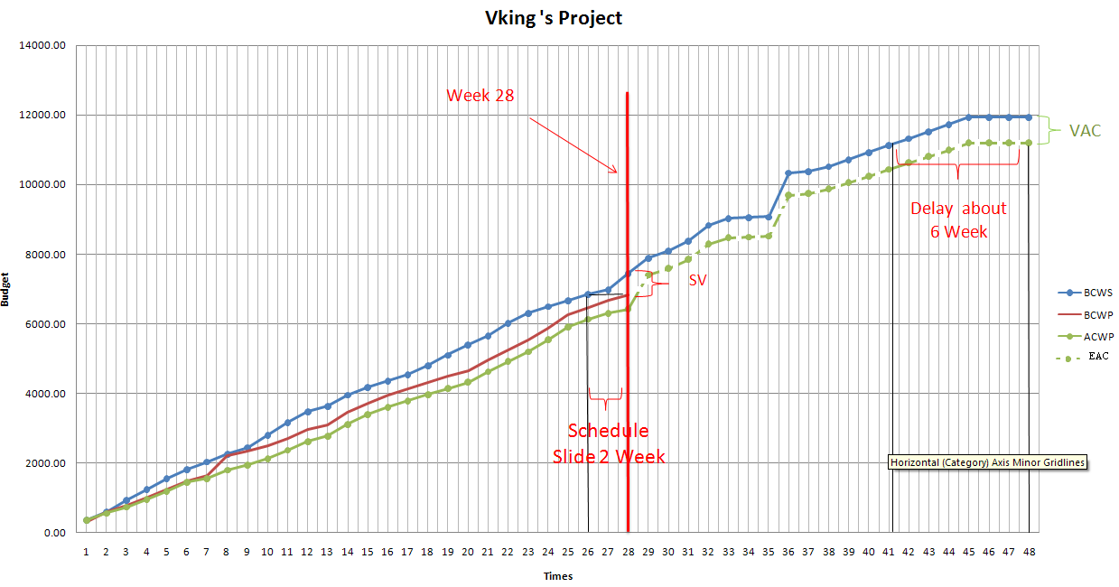

 |  |  |  |  |  |  |  |  |  |  |  |  |  |  |  | Note : | Đa số các tuần ta đều nằm vào cung phần tư thứ 2. Tức là, Chúng ta trễ hơn so với lịch trình, và chi phí cũng thấp hơn so với kế hoạch đã định
 |  |  |  |  |  |  |  |  |  |  |  |  |  |  |  |  | tại tuần 28, Với Perfom hiện tại ,chúng ta đang bị trễ tiến độ, nếu cứ tiếp diễn ta sẽ bị trễ tới 6 tuần.

PM EV
Setup and Project Management
Weeks | W1 | W2 | W3 | W4 | W5 | W6 | W7 | W8 | W9 | W10 | W11 | W12 | W13 | W14 | W15 | W16 | W17 | W18 | W19 | W20 | W21 | W22 | W23 | W24 | W25 | W26 | W27 | W28 | W29 | W30 | W31 | W32 | W33 | W34 | W35 | W36 | W37 | W38 | W39 | W40 | W41 | W42 | W43 | W44 | W45 | W46
BCWS | 364.00 | 596.00 | 620.00 | 640.00 | 660.00 | 680.00 | 700.00 | 720.00 | 740.00 | 760.00 | 780.00 | 800.00 | 820.00 | 840.00 | 860.00 | 880.00 | 900.00 | 920.00 | 940.00 | 960.00 | 980.00 | 1000.00 | 1020.00 | 1040.00 | 1060.00 | 1080.00 | 1100.00 | 1120.00 | 1140.00 | 1160.00 | 1180.00 | 1200.00 | 1220.00 | 1240.00 | 1260.00 | 1280.00 | 1300.00 | 1320.00 | 1340.00 | 1360.00 | 1380.00 | 1400.00 | 1420.00 | 1440.00 | 1460.00 | 1480.00
BCWP | 311.98 | 596.00 | 620.00 | 640.00 | 660.00 | 680.00 | 700.00 | 720.00 | 740.00 | 760.00 | 780.00 | 800.00 | 820.00 | 840.00 | 860.00 | 880.00 | 900.00 | 920.00 | 940.00 | 960.00 | 980.00 | 1000.00 | 1020.00 | 1040.00 | 1060.00 | 1080.00 | 1100.00 | 1120.00
ACWP | 364.00 | 564.00 | 588.00 | 608.00 | 628.00 | 648.00 | 668.00 | 688.00 | 708.00 | 728.00 | 748.00 | 768.00 | 788.00 | 808.00 | 828.00 | 848.00 | 868.00 | 888.00 | 904.00 | 924.00 | 944.00 | 964.00 | 984.00 | 1004.00 | 1024.00 | 1044.00 | 1064.00 | 1084.00

S.. ( Variance between Week)
 | 16-17 | 17-18 | 18-19 | 19-20 | 20-21 | 21-22 | 22-23 | 23-24 | 24-25 | 25-26 | 26-27 | 27-28 | 28-29 | 29-30 | 30-31 | 31-32 | 32-33 | 33-34 | 34-35 | 35-36 | 36-37 | 37-38 | 38-39 | 39-40 | 40-41 | 41-42 | 42-43 | 43-44 | 45-46
SBCWS | 20.00 | 20.00 | 20.00 | 20.00 | 20.00 | 20.00 | 20.00 | 20.00 | 20.00 | 20.00 | 20.00 | 20.00 | 20.00 | 20.00 | 20.00 | 20.00 | 20.00 | 20.00 | 20.00 | 20.00 | 20.00 | 20.00 | 20.00 | 20.00 | 20.00 | 20.00 | 20.00 | 20.00 | 20.00
SBWP | 20.00 | 20.00 | 20.00 | 20.00 | 20.00 | 20.00 | 20.00 | 20.00 | 20.00 | 20.00 | 20.00 | 20.00
SACWP | 20.00 | 20.00 | 16.00 | 20.00 | 20.00 | 20.00 | 20.00 | 20.00 | 20.00 | 20.00 | 20.00 | 20.00

CV | -52.02 | 32.00 | 32.00 | 32.00 | 32.00 | 32.00 | 32.00 | 32.00 | 32.00 | 32.00 | 32.00 | 32.00 | 32.00 | 32.00 | 32.00 | 32.00 | 32.00 | 32.00 | 36.00 | 36.00 | 36.00 | 36.00 | 36.00 | 36.00 | 36.00 | 36.00 | 36.00 | 36.00
SV | -675.98 | -1192.00 | -1240.00 | -1280.00 | -1320.00 | -1360.00 | -1400.00 | -1440.00 | -1480.00 | -1520.00 | -1560.00 | -1600.00 | -1640.00 | -1680.00 | -1720.00 | -1760.00 | -1800.00 | -1840.00 | -1880.00 | -1920.00 | -1960.00 | -2000.00 | -2040.00 | -2080.00 | -2120.00 | -2160.00 | -2200.00 | -2240.00

Viking Project

Weeks | W1 | W2 | W3 | W4 | W5 | W6 | W7 | W8 | W9 | W10 | W11 | W12 | W13 | W14 | W15 | W16 | W17 | W18 | W19 | W20 | W21 | W22 | W23 | W24 | W25 | W26 | W27 | W28 | W29 | W30 | W31 | W32 | W33 | W34 | W35 | W36 | W37 | W38 | W39 | W40 | W41 | W42 | W43 | W44 | W45 | W46
CPI | 0.86 | 1.00 | 1.00 | 1.00 | 1.00 | 1.00 | 1.00 | 1.00 | 1.00 | 1.00 | 1.00 | 1.00 | 1.00 | 1.00 | 1.00 | 1.00 | 1.00 | 1.00 | 1.00 | 1.00 | 1.00 | 1.00 | 1.00 | 1.00 | 1.00 | 1.00 | 1.00 | 1.00
SPI | 0.86 | 1.06 | 1.05 | 1.05 | 1.05 | 1.05 | 1.05 | 1.05 | 1.05 | 1.04 | 1.04 | 1.04 | 1.04 | 1.04 | 1.04 | 1.04 | 1.04 | 1.04 | 1.04 | 1.04 | 1.04 | 1.04 | 1.04 | 1.04 | 1.04 | 1.03 | 1.03 | 1.03

Bull's Eyes Chart for PM EV

Release 1 EV
Release 1 - Deliver GUI & User Documentation
Weeks | W3 | W4 | W5 | W6 | W7 | W8 | W9 | W10 | W11 | W12 | W13 | W14 | W15 | W16
BCWS | 136.00 | 216.00 | 344.00 | 488.00 | 664.00 | 784.00 | 868.00 | 972.00 | 1092.00 | 1140.00 | 1180.00 | 1316.00 | 1332.00 | 1332.00
BCWP | 104.00 | 184.00 | 312.00 | 444.28 | 568.76 | 718.22 | 819.88 | 936.00 | 1064.80 | 1136.80 | 1151.35 | 1248.80 | 1320.35 | 1332.00
ACWP | 104.00 | 184.00 | 312.00 | 448.00 | 528.00 | 648.00 | 776.00 | 900.00 | 1024.00 | 1096.00 | 1108.00 | 1212.00 | 1280.00 | 1292.00

CV | 0.00 | 0.00 | 0.00 | -3.72 | 40.76 | 70.22 | 43.88 | 36.00 | 40.80 | 40.80 | 43.35 | 36.80 | 40.35 | 40.00
SV | -32.00 | -32.00 | -32.00 | -43.72 | -95.24 | -65.78 | -48.12 | -36.00 | -27.20 | -3.20 | -28.65 | -67.20 | -11.65 | 0.00

Release 1

 | W3 | W4 | W5 | W6 | W7 | W8 | W9 | W10 | W11 | W12 | W13 | W14 | W15 | W16
SPI | 0.76 | 0.85 | 0.91 | 0.91 | 0.86 | 0.92 | 0.94 | 0.96 | 0.98 | 1.00 | 0.98 | 0.95 | 0.99 | 1.00
CPI | 1.00 | 1.00 | 1.00 | 0.99 | 1.08 | 1.11 | 1.06 | 1.04 | 1.04 | 1.04 | 1.04 | 1.03 | 1.03 | 1.03

Bull's Eyes Chart for Release 1

Evalueate |  | Release complished with schedule . But Actual Cost is smaller than Schedule Cost. It's very Good

Release 2 EV
Release 2 - Deliver Online Product
Weeks | W3 | W4 | W5 | W6 | W7 | W8 | W9 | W10 | W11 | W12 | W13 | W14 | W15 | W16 | W17 | W18 | W19 | W20 | W21 | W22 | W23 | W24
BCWS | 144.00 | 346.67 | 501.33 | 589.33 | 613.33 | 693.33 | 784.00 | 981.53 | 1141.53 | 1280.20 | 1360.20 | 1440.20 | 1536.20 | 1616.20 | 1696.20 | 1856.20 | 2056.20 | 2256.20 | 2408.20 | 2434.86 | 2434.86 | 2434.86
BCWP | 51.55 | 151.11 | 224.00 | 312.00 | 328.00 | 722.86 | 722.86 | 735.58 | 759.68 | 890.86 | 972.93 | 1146.86 | 1272.20 | 1349.53 | 1429.53 | 1509.53 | 1589.53 | 1669.53 | 1869.53 | 2069.53 | 2245.53 | 2434.86
ACWP | 48.00 | 152.00 | 224.00 | 312.00 | 328.00 | 428.00 | 428.00 | 460.00 | 500.00 | 636.00 | 712.00 | 876.00 | 1004.00 | 1080.00 | 1160.00 | 1240.00 | 1320.00 | 1400.00 | 1600.00 | 1800.00 | 1976.00 | 2164.00

S.. ( Variance between Week)
 | 16-17 | 17-18 | 18-19 | 19-20 | 20-21 | 21-22 | 22-23 | 23-24
SBCWS | 80.00 | 160.00 | 200.00 | 200.00 | 152.00 | 26.67 | 0.00 | 0.00
SBWP | 80.00 | 80.00 | 80.00 | 80.00 | 200.00 | 200.00 | 176.00 | 189.33
SACWP | 80.00 | 80.00 | 80.00 | 80.00 | 200.00 | 200.00 | 176.00 | 188.00

CV | 3.55 | -0.89 | 0.00 | 0.00 | 0.00 | 294.86 | 294.86 | 275.58 | 259.68 | 254.86 | 260.93 | 270.86 | 268.20 | 269.53 | 269.53 | 269.53 | 269.53 | 269.53 | 269.53 | 269.53 | 269.53 | 270.86
SV | -92.45 | -195.56 | -277.33 | -277.33 | -285.33 | 29.53 | -61.14 | -245.94 | -381.85 | -389.33 | -387.26 | -293.33 | -264.00 | -266.67 | -266.67 | -346.67 | -466.67 | -586.67 | -538.67 | -365.33 | -189.33 | 0.00

Release 2

Weeks | W3 | W4 | W5 | W6 | W7 | W8 | W9 | W10 | W11 | W12 | W13 | W14 | W15 | W16 | W17 | W18 | W19 | W20 | W21 | W22 | W23 | W24
SPI | 0.36 | 0.44 | 0.45 | 0.53 | 0.53 | 1.04 | 0.92 | 0.75 | 0.67 | 0.70 | 0.72 | 0.80 | 0.83 | 0.84 | 0.84 | 0.81 | 0.77 | 0.74 | 0.78 | 0.85 | 0.92 | 1.00
CPI | 1.07 | 0.99 | 1.00 | 1.00 | 1.00 | 1.69 | 1.69 | 1.60 | 1.52 | 1.40 | 1.37 | 1.31 | 1.27 | 1.25 | 1.23 | 1.22 | 1.20 | 1.19 | 1.17 | 1.15 | 1.14 | 1.13

Bull's Eyes Chart for Release 2

Evalueate |  | Release complished with schedule . But Actual Cost is smaller than Schedule Cost. It's very Good

Release 3 EV
Release 3 - Deliver Offline Product
Weeks | W3 | W4 | W5 | W6 | W7 | W8 | W9 | W10 | W11 | W12 | W13 | W14 | W15 | W16 | W17 | W18 | W19 | W20 | W21 | W22 | W23 | W24 | W25 | W26 | W27 | W28 | W29 | W30 | W31 | W32 | W33 | W34 | W35 | W36
BCWS | 31.10 | 45.33 | 58.67 | 58.67 | 58.67 | 58.67 | 58.67 | 98.47 | 148.94 | 252.89 | 274.61 | 357.44 | 448.16 | 528.16 | 608.16 | 688.16 | 768.16 | 848.16 | 928.16 | 1250.83 | 1520.16 | 1685.50 | 1840.41 | 2005.09 | 2116.41 | 2556.41 | 2974.75 | 3154.75 | 3421.33 | 3861.33 | 4037.33 | 4037.33 | 4037.33 | 4037.33
BCWP | 0.00 | 26.67 | 53.33 | 53.33 | 53.33 | 53.33 | 53.33 | 53.33 | 108.55 | 124.76 | 163.81 | 219.68 | 275.05 | 384.26 | 464.22 | 544.22 | 626.16 | 700.19 | 789.62 | 862.38 | 944.10 | 1071.06 | 1432.38 | 1632.38 | 1826.69 | 1953.76
ACWP | 0.00 | 20.00 | 40.00 | 40.00 | 40.00 | 40.00 | 40.00 | 40.00 | 104.00 | 128.00 | 160.00 | 218.00 | 278.00 | 386.00 | 466.00 | 546.00 | 626.00 | 706.00 | 788.00 | 866.00 | 946.00 | 1082.00 | 1435.00 | 1628.00 | 1784.00 | 1880.00

S.. ( Variance between Week)
 | 16-17 | 17-18 | 18-19 | 19-20 | 20-21 | 21-22 | 22-23 | 23-24 | 24-25 | 25-26 | 26-27 | 27-28 | 28-29 | 29-30 | 30-31 | 31-32 | 32-33 | 33-34 | 34-35 | 35-36
SBCWS | 80.00 | 80.00 | 80.00 | 80.00 | 80.00 | 322.67 | 269.33 | 165.33 | 154.91 | 164.68 | 111.32 | 440.00 | 418.34 | 180.00 | 266.59 | 440.00 | 176.00 | 0.00 | 0.00 | 0.00
SBWP | 79.96 | 80.00 | 81.94 | 74.03 | 89.43 | 72.76 | 81.72 | 126.96 | 361.32 | 200.00 | 194.31 | 127.07
SACWP | 80.00 | 80.00 | 80.00 | 80.00 | 82.00 | 78.00 | 80.00 | 136.00 | 353.00 | 193.00 | 156.00 | 96.00

CV | 0.00 | 6.67 | 13.33 | 13.33 | 13.33 | 13.33 | 13.33 | 13.33 | 4.55 | -3.24 | 3.81 | 1.68 | -2.95 | -1.74 | -1.78 | -1.78 | 0.16 | -5.81 | 1.62 | -3.62 | -1.90 | -10.94 | -2.62 | 4.38 | 42.69 | 73.76
SV | -31.10 | -18.67 | -5.33 | -5.33 | -5.33 | -5.33 | -5.33 | -45.14 | -40.39 | -128.13 | -110.80 | -137.76 | -173.12 | -143.91 | -143.94 | -143.94 | -142.01 | -147.98 | -138.54 | -388.45 | -576.06 | -614.43 | -408.03 | -372.71 | -289.72 | -602.65

SPI | 0.00 | 0.59 | 0.91 | 0.91 | 0.91 | 0.91 | 0.91 | 0.54 | 0.73 | 0.49 | 0.60 | 0.61 | 0.61 | 0.73 | 0.76 | 0.79 | 0.82 | 0.83 | 0.85 | 0.69 | 0.62 | 0.64 | 0.78 | 0.81 | 0.86 | 0.76
CPI | #DIV/0! | 1.33 | 1.33 | 1.33 | 1.33 | 1.33 | 1.33 | 1.33 | 1.04 | 0.97 | 1.02 | 1.01 | 0.99 | 1.00 | 1.00 | 1.00 | 1.00 | 0.99 | 1.00 | 1.00 | 1.00 | 0.99 | 1.00 | 1.00 | 1.02 | 1.04

EAC(EAC = ACWP + ((BAC - BCWP)/CPI) |  |  |  |  |  |  |  |  |  |  |  |  |  |  |  |  |  |  |  |  |  |  |  |  |  |  | 2862.4455617 | 3035.6501975 | 3292.1710744 | 3884.915828 | 3884.915828 | 3884.915828 | 3884.915828 | 3884.915828
BAC=Final BCWS |  |  | 4037.33
VAC=BAC-EAC |  |  | 152.42

Release 3 : EV Report

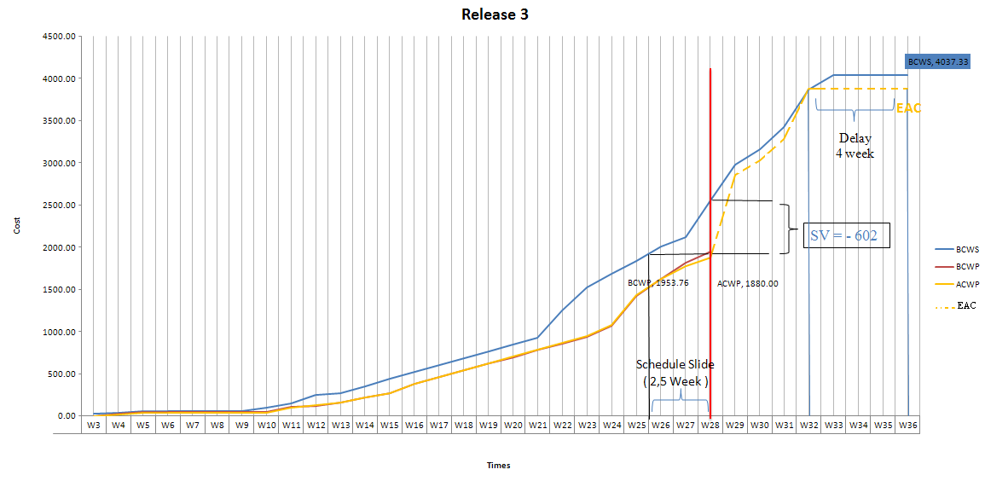

VAC

Weeks | W3 | W4 | W5 | W6 | W7 | W8 | W9 | W10 | W11 | W12 | W13 | W14 | W15 | W16 | W17 | W18 | W19 | W20 | W21 | W22 | W23 | W24 | W25 | W26 | W27 | W28 | W29 | W30 | W31 | W32 | W33 | W34 | W35 | W36
SPI | 0.00 | 0.59 | 0.91 | 0.91 | 0.91 | 0.91 | 0.91 | 0.54 | 0.73 | 0.49 | 0.60 | 0.61 | 0.61 | 0.73 | 0.76 | 0.79 | 0.82 | 0.83 | 0.85 | 0.69 | 0.62 | 0.64 | 0.78 | 0.81 | 0.86 | 0.76
CPI | #DIV/0! | 1.33 | 1.33 | 1.33 | 1.33 | 1.33 | 1.33 | 1.33 | 1.04 | 0.97 | 1.02 | 1.01 | 0.99 | 1.00 | 1.00 | 1.00 | 1.00 | 0.99 | 1.00 | 1.00 | 1.00 | 0.99 | 1.00 | 1.00 | 1.02 | 1.04

Bull's Eyes Chart for Release 3

Evalueate |  | In Release 3, at Week 28, Project are late, because the Perfomance are not good.
 |  | Precedict , Release 3 will delay in 4 Week

Release 4 EV
Release 4 - Deliver Final Product
Weeks | W36 | W37 | W38 | W39 | W40 | W41 | W42 | W43 | W44 | W45 | W46 | W47 | W48
BCWS | 1264.00 | 1312.00 | 1448.00 | 1648.00 | 1848.00 | 2048.00 | 2248.00 | 2448.00 | 2648.00 | 2856.00 | 2864.00 | 2864.00 | 2864.00
BCWP | 0.00 | 0.00 | 0.00 | 0.00 | 0.00 | 0.00 | 0.00 | 0.00 | 0.00 | 0.00 | 0.00 | 0.00 | 0.00
ACWP | 0.00 | 0.00 | 0.00 | 0.00 | 0.00 | 0.00 | 0.00 | 0.00 | 0.00 | 0.00 | 0.00 | 0.00 | 0.00

S.. ( Variance between Week)
 | 36-37 | 37-38 | 38-39 | 39-40 | 40-41 | 41-42 | 42-43 | 43-44 | 45-46 | 46-47 | 47-48
SBCWS | 48.00 | 136.00 | 200.00 | 200.00 | 200.00 | 200.00 | 200.00 | 200.00 | 208.00 | 8.00 | 0.00
SBWP
SACWP

Realease 4

Evalue : | Release 4 are not start . But fewer and fewer end project, Budget are not increase

